BOY'S PACKING (3)
PHOTO | STYLE | TOTAL
 | 11P1741EY | 624
 | 21P1741EY | 1296
 | 31P1741EY | 288
 | 11P1743EY | 240
 | 21P1743EY | 240
 | 21P1743EY | 288
 | 11P1744EY | 240
 | 21P1744EY | 240
 | 21P1744EY | 288
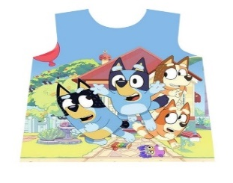 | 11P1745EY | 624
 | 21P1745EY | 1440
 | 31P1745EY | 1488
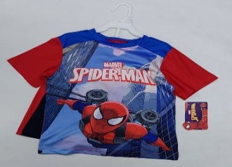 | 11P3061SP | 912
 | 21P3061SP | 1440
 | 31P3061SP | 2016
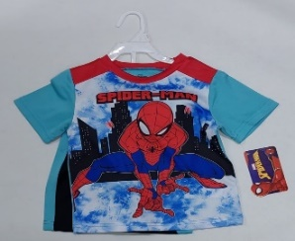 | 11P3064SP | 624
 | 21P3064SP | 624
 | 31P3064SP | 624
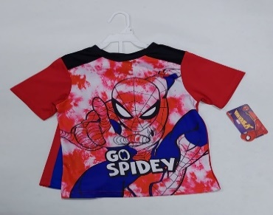 | 11P3066SP | 624
 | 21P3066SP | 624
 | 31P3066SP | 624
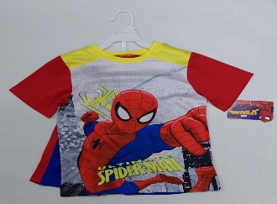 | 11P3069SP | 984
 | 21P3069SP | 984
 | 31P3069SP | 984
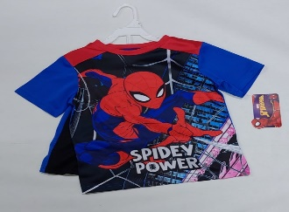 | 11P3071SP | 984
 | 21P3071SP | 984
 | 31P3071SP | 984
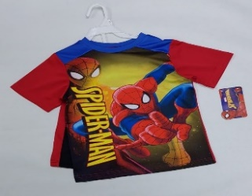 | 11P3072SP | 336
 | 21P3072SP | 624
 | 31P3072SP | 1488
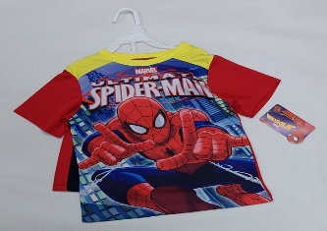 | 11P3073SP | 984
 | 21P3073SP | 936
 | 21P3073SP | 792
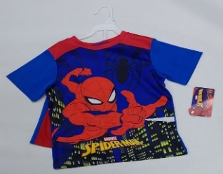 | 11P3074SP | 624
 | 21P3074SP | 624
 | 31P3074SP | 624
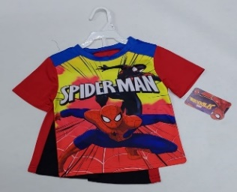 | 11P3076SP | 1608
 | 21P3076SP | 1224
 | 31P3076SP | 1272
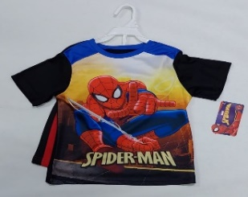 | 11P3077SP | 624
 | 21P3077SP | 864
 | 31P3077SP | 1392
 | 11P4021RK | 624
 | 21P4021RK | 624
 | 31P4021RK | 624
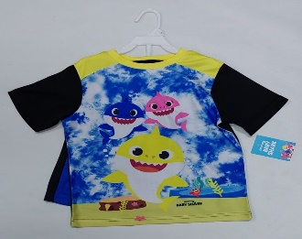 | 11P4023RK | 624
 | 21P4023RK | 624
 | 31P4023RK | 624
 | 11P5060MM | 1200
 | 21P5060MM | 624
 | 31P5060MM | 480
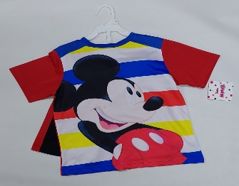 | 11P5061MM | 792
 | 21P5061MM | 792
 | 31P5061MM | 360
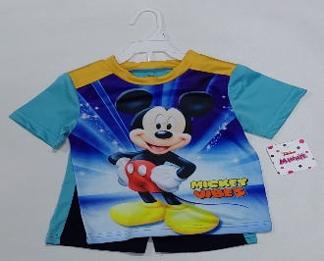 | 11P5063MM | 1608
 | 21P5063MM | 1272
 | 31P5063MM | 600
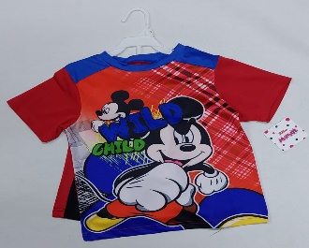 | 11P5064MM | 984
 | 21P5064MM | 984
 | 31P5064MM | 936
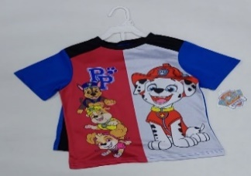 | 11P6070PA | 624
 | 21P6070PA | 1440
 | 31P6070PA | 720
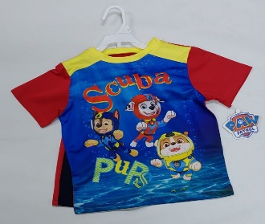 | 11P6073PA | 984
 | 21P6073PA | 600
 | 31P6073PA | 648
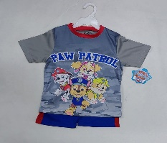 | 11P6075PA | 1056
 | 21P6075PA | 576
 | 31P6075PA | 624
 | 11P6076PA | 624
 | 21P6076PA | 624
 | 31P6076PA | 624
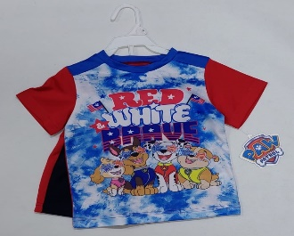 | 11P6077PA | 1200
 | 21P6077PA | 576
 | 31P6077PA | 624
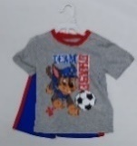 | 11P6078PA | 984
 | 21P6078PA | 360
 | 31P6078PA | 360
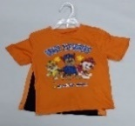 | 11P6079PA | 984
 | 21P6079PA | 360
 | 31P6079PA | 360
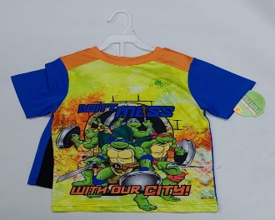 | 11P7091NT | 624
 | 21P7091NT | 624
 | 31P7091NT | 624
 | 11P7094NT | 624
 | 21P7094NT | 864
 | 31P7094NT | 912
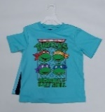 | 11P7095NT | 360
 | 21P7095NT | 360
 | 31P7095NT | 984
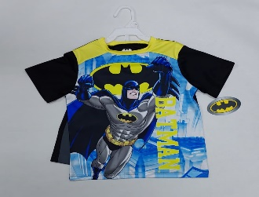 | 11P8065BT | 624
 | 21P8065BT | 336
 | 31P8065BT | 288
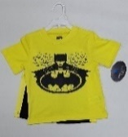 | 11P8069BT | 984
 | 21P8069BT | 360
 | 31P8069BT | 360
 | 11P1330MR | 0
 | 21P1330MR | 240
 | 31P1330MR | 912
 | 21P1331MR | 864
 | 31P1331MR | 912
 | 21P1332MR | 240
 | 41P1332MR | 288
 | 21P1333MR | 240
 | 21P1333MR | 288
 | 21P1334MR | 240
 | 21P1334MR | 288
 | 21P1335MR | 864
 | 31P1335MR | 912
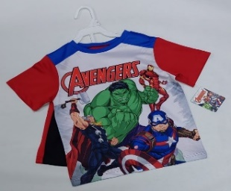 | 11P5030AG | 624
 | 21P5030AG | 864
 | 31P5030AG | 1536
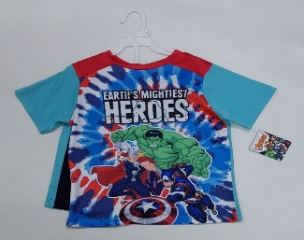 | 11P5033AG | 624
 | 21P5033AG | 624
 | 31P5033AG | 1248
 | 21P1121NE | 336
 | 31P1121NE | 624
 | 21P1122NE | 336
 | 31P1122NE | 624
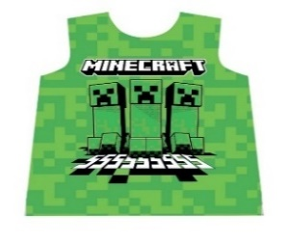 | 21P1125NE | 336
 | 31P1125NE | 624
 | 21P1460SX | 336
 | 31P1460SX | 912
 | 21P1461SX | 240
 | 31P1461SX | 1344
 | 21P1462SX | 240
 | 31P1462SX | 912
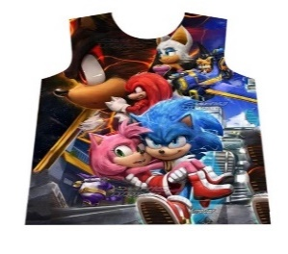 | 21P1463SX | 240
 | 31P1463SX | 912
 | 21P1464SX | 240
 | 31P1464SX | 912
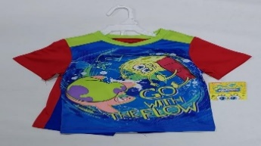 | 11P9075SB | 360
 | 21P9075SB | 600
 | 31P9075SB | 648
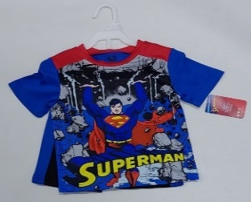 | 11P2022SU | 360
 | 21P2022SU | 360
 | 31P2022SU | 360
TOTAL |  | 97248

GIRL'S PACKING
PHOTO | STYLE | SIZE | TOTAL
 | 11G1514BA | 12M:18M | 624
 | 21G1514BA | 2T:4T | 912
 | 31G1514BA | 4:6X | 1104
 | 11G1513BA | 12M:18M | 624
 | 21G1513BA | 2T:4T | 624
 | 31G1513BA | 4:6X | 624
 | 11G1510BA | 12M:18M | 336
 | 21G1510BA | 2T:4T | 336
 | 31G1510BA | 4:6X | 624
 | 11G1617HK | 12M:18M | 624
 | 21G1617HK | 2T:4T | 1008
 | 31G1617HK | 4:6X | 1200
 | 11G1618HK | 12M:18M | 624
 | 21G1618HK | 2T:4T | 1008
 | 31G1618HK | 4:6X | 1200
 | 11G1620HK | 12M:18M | 624
 | 21G1620HK | 2T:4T | 1008
 | 31G1620HK | 4:6X | 1200
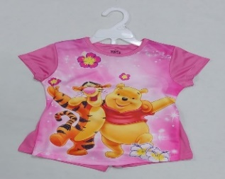 | 11G2022PH | 12M:18M | 984
 | 21G2022PH | 2T:4T | 1272
 | 31G2022PH | 4:6X | 648
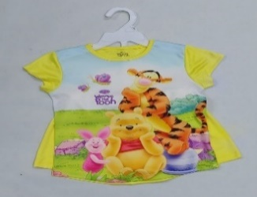 | 11G2025PH | 12M:18M | 984
 | 21G2025PH | 2T:4T | 1272
 | 31G2025PH | 4:6X | 648
 | 11G2026PH | 12M:18M | 624
 | 21G2026PH | 2T:4T | 624
 | 31G2026PH | 4:6X | 624
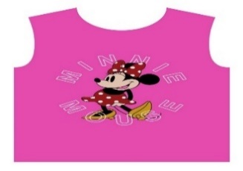 | 11G3050MI | 12M:18M | 1080
 | 21G3050MI | 2T:4T | 1272
 | 31G3050MI | 4:6X | 1560
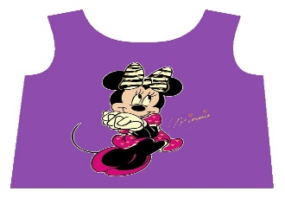 | 11G3051MI | 12M:18M | 360
 | 21G3051MI | 2T:4T | 984
 | 31G3051MI | 4:6X | 360
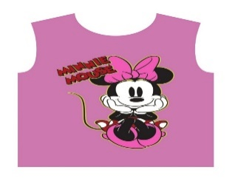 | 11G3053MI | 12M:18M | 1080
 | 21G3053MI | 2T:4T | 984
 | 31G3053MI | 4:6X | 984
 | 11G3054MI | 12M:18M | 1512
 | 21G3054MI | 2T:4T | 1560
 | 31G3054MI | 4:6X | 984
 | 11G3057MI | 12M:18M | 1080
 | 21G3057MI | 2T:4T | 984
 | 31G3057MI | 4:6X | 984
 | 11G3058MI | 12M:18M | 1080
 | 21G3058MI | 2T:4T | 984
 | 31G3058MI | 4:6X | 984
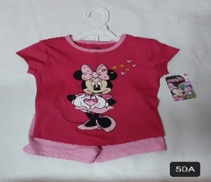 | 11G3059MI | 12M:18M | 1080
 | 21G3059MI | 2T:4T | 984
 | 31G3059MI | 4:6X | 984
 | 11G3060MI | 12M:18M | 888
 | 21G3060MI | 2T:4T | 1224
 | 31G3060MI | 4:6X | 2040
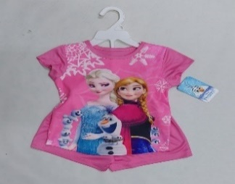 | 11G7010FZ | 12M:18M | 552
 | 21G7010FZ | 2T:4T | 360
 | 31G7010FZ | 4:6X | 936
 | 11G7013FZ | 12M:18M | 336
 | 21G7013FZ | 2T:4T | 384
 | 31G7013FZ | 4:6X | 504
 | 11P1741EYG | 12M:18M | 624
 | 21P1741EYG | 2T:4T | 912
 | 31P1741EYG | 4:6X | 384
 | 11P1745EYG | 12M:18M | 624
 | 21P1745EYG | 2T:4T | 624
 | 31P1745EYG | 4:6X | 624
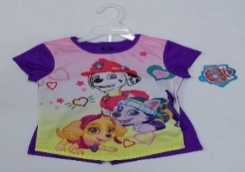 | 11G3060PA | 12M:18M | 624
 | 21G3060PA | 2T:4T | 1056
 | 31G3060PA | 4:6X | 624
 | 11G3061PA | 12M:18M | 360
 | 21G3061PA | 2T:4T | 984
 | 31G3061PA | 4:6X | 984
 | 11G3062PA | 12M:18M | 360
 | 21G3062PA | 2T:4T | 984
 | 31G3062PA | 4:6X | 984
 | 11G3063PA | 12M:18M | 336
 | 21G3063PA | 2T:4T | 864
 | 31G3063PA | 4:6X | 912
 | 11G5030PR | 12M:18M | 360
 | 21G5030PR | 2T:4T | 360
 | 31G5030PR | 4:6X | 936
 | 11G5031PR | 12M:18M | 624
 | 21G5031PR | 2T:4T | 1056
 | 31G4031PR | 4:6X | 1200
 | 11G4020LL | 12M:18M | 360
 | 21G4020LL | 2T:4T | 648
 | 31G4020LL | 4:6X | 1560
 | 11G4022LL | 12M:18M | 360
 | 21G4022LL | 2T:4T | 648
 | 31G4022LL | 4:6X | 1560
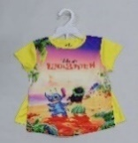 | 11G4031LS | 12M:18M | 360
 | 21G4031LS | 2T:4T | 744
 | 31G4031LS | 4:6X | 1560
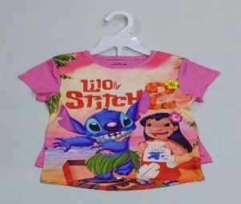 | 11G4035LS | 12M:18M | 360
 | 21G4035LS | 2T:4T | 744
 | 31G4035LS | 4:6X | 1992
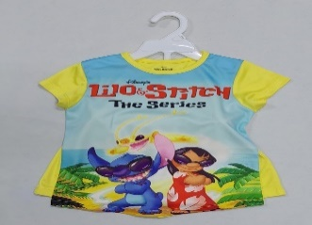 | 11G4036LS | 12M:18M | 360
 | 21G4036LS | 2T:4T | 744
 | 31G4036LS | 4:6X | 936
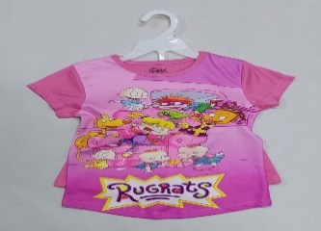 | 11G5042RU | 12M:18M | 360
 | 21G5042RU | 2T:4T | 648
 | 31G5042RU | 4:6X | 936
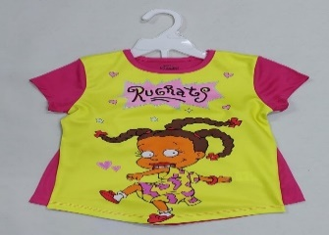 | 11G5044RU | 12M:18M | 360
 | 21G5044RU | 2T:4T | 648
 | 31G5044RU | 4:6X | 936
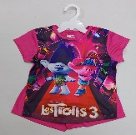 | 11G3011TR | 12M:18M | 360
 | 21G3011TR | 2T:4T | 360
 | 31G3011TR | 4:6X | 984
 |  |  | 87000

